Cover
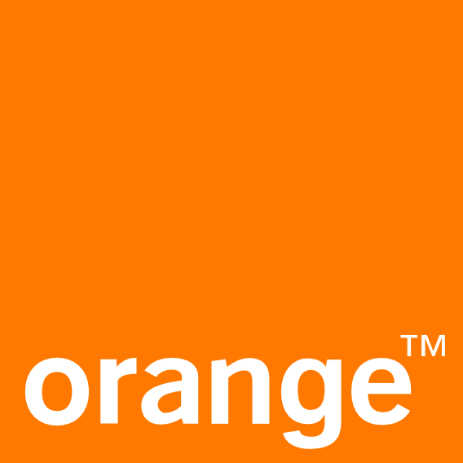
Orange Jordan

3-Statement Modeling

Table of Contents | Author Info

Model | Name: Abdalmalik Sabri
Dashboard | Email: aboodsabri2004@gmail.com
 | Company Analyzed: Orange Jordan

This project is a 3-statement financial model
for Orange Jordan covering actual results
from 2022–2024 and forecasting performance | Color | Meaning
for the next 5 years. It includes integrated | Blue | Hard-coded inputs
financial statements and a visual dashboard | Black | Calculations / Formulas

Dashboard
 | Orange Jordan

Income Statement |  | Cash Flow Statement |  |  |  | Charts & Graphs Data

 |  |  |  |  |  | All figures in JOD thousands unless stated | Year 2022 | Year 2023 | Year 2024 | Year 2025 | Year 2026 | Year 2027 | Year 2028 | Year 2029

 |  |  |  |  |  | Income Statement
 |  |  |  |  |  | Revenue | 347,568 | 360,716 | 361,252 | 375,702 | 390,730 | 406,359 | 422,614 | 439,518
 |  |  |  |  |  | EBT | 62,800 | 62,734 | 58,128 | 50,075 | 57,634 | 60,288 | 63,049 | 65,920
 |  |  |  |  |  | EBT Margin | 18.1% | 17.4% | 16.1% | 13.3% | 14.8% | 14.8% | 14.9% | 15.0%

 |  |  |  |  |  | Net Income | 44,032 | 45,749 | 41,459 | 35,553 | 40,920 | 42,805 | 44,765 | 46,803
 |  |  |  |  |  | Net Income Margin | 13 | 13 | 11 | 9 | 10 | 11 | 11 | 11
 |  |  |  |  |  | Net Income Margin (%) | 12.7% | 12.7% | 11.5% | 9.5% | 10.5% | 10.5% | 10.6% | 10.6%

 |  |  |  |  |  | Cash Flow
 |  |  |  |  |  | Operating | 125,963 | 124,214 | 116,977 | 119,023 | 128,221 | 131,773 | 134,785 | 141,600
 |  |  |  |  |  | Investing | (66,394) | (72,579) | (62,700) | (67,224) | (67,501) | (65,808) | (66,845) | (66,718)
 |  |  |  |  |  | Financing | (57,492) | (75,827) | (64,950) | (74,386) | (70,599) | (81,330) | (66,873) | (76,204)
 |  |  |  |  |  | Change in Cash | 2,077 | (24,192) | (10,673) | (22,587) | (9,879) | (15,366) | 1,068 | (1,322)
Expenses |  | Projected Performance Summary (Five-Year)
 |  |  |  |  |  | Expenses
 |  |  |  | 5-Yr Average | Trend | Cost of Sales | 125,319 | 132,187 | 126,221 | 134,804 | 140,196 | 145,804 | 151,636 | 157,701
 |  |  | Revenue | 406,985 |  | Operating Expenses | 86,339 | 82,063 | 86,015 | 89,419 | 92,995 | 96,715 | 100,584 | 104,607
 |  |  |  |  |  | Depreciation & Amortization | 85,687 | 83,000 | 80,700 | 87,666 | 91,173 | 94,820 | 98,613 | 102,557
 |  |  | Cost of Sales | 146,028 |  | Interest | (12,577) | 732 | 10,188 | 13,738 | 8,732 | 8,732 | 8,732 | 8,732
 |  |  |  |  |  | Total | 284,768 | 297,982 | 303,124 | 325,627 | 333,097 | 346,071 | 359,565 | 373,598
 |  |  | Operating EXP | 96,864

 |  |  | Net Income Margin | 10

 |  |  | Net Imcome Margin (%) | 10.3%

